Dashboard
INDIAN GENERAL ELECTIONS 2024 ANALYSIS DASHBOARD
543
8,266
POLITICAL PARTIES
WITH ATLEAST ONE SEAT WIN
64,53,63,445
TOTAL SEATS
42
TOTAL CANDIDATES
TOTAL VOTES

TOTAL SEATS OF PARTY ALLIANCES
 | NDA
Total | 292
SEATS OF PARTIES IN STATE ( OR COUNTRY)
 | NDA
AJSU Party - AJSUP | 1
Apna Dal (Soneylal) - ADAL | 1
Asom Gana Parishad - AGP | 1
Bharatiya Janata Party - BJP | 240
Hindustani Awam Morcha (Secular) - HAMS | 1
Janasena Party - JnP | 2
Janata Dal (Secular) - JD(S) | 2
Janata Dal (United) - JD(U) | 12
Lok Janshakti Party(Ram Vilas) - LJPRV | 5
Nationalist Congress Party - NCP | 1
Rashtriya Lok Dal - RLD | 2
Shiv Sena - SHS | 7
Sikkim Krantikari Morcha - SKM | 1
Telugu Desam - TDP | 16

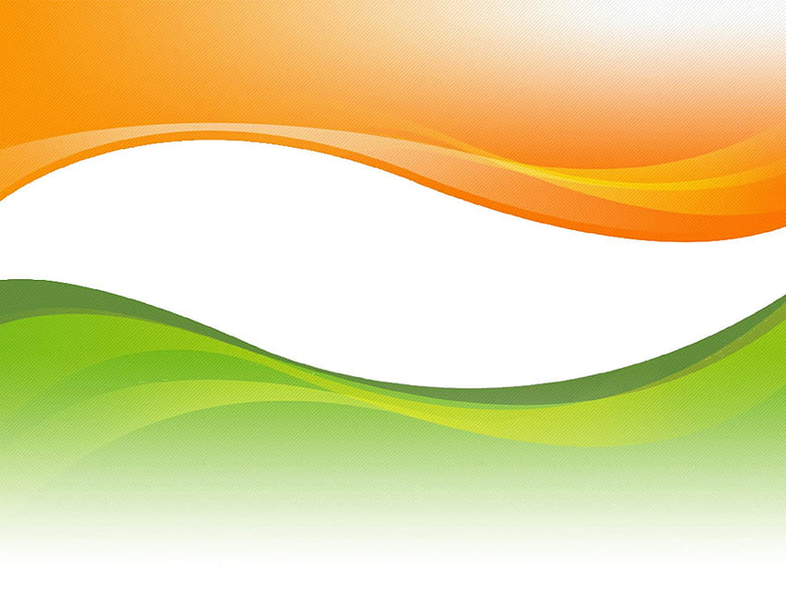

Top 10 candidates with maximum votes (IN LAKHS)
 | Indian National Congress - INC | Bharatiya Janata Party - BJP | All India Trinamool Congress - AITC
RAKIBUL HUSSAIN | 14.72
SHIVRAJ SINGH CHOUHAN |  | 11.16
DR C N MANJUNATH |  | 10.79
SHANKAR LALWANI |  | 12.27
EATALA RAJENDER |  | 9.91
C R PATIL |  | 10.31
BRIJMOHAN AGRAWAL |  | 10.50
ABHISHEK BANERJEE |  |  | 10.48
SHOBHA KARANDLAJE |  | 9.86
AMIT SHAH |  | 10.11

YOUR CONSTITUENCY INFO.

Madhubani

WINNER
ASHOK KUMAR YADAV

RUNNER UP
MD ALI ASHRAF FATMI

MARGIN
151945

